Analysis
Timeframe
This analysis encompasses a comprehensive review of historical data pertaining to the first deposit behavior of customers. While it focuses on South African customers, it can also be extended to other countries as well.
Databricks notebook

Total Customers per First Deposit Bucket

FirstDepositBucket (ZAR) | customer_count |  | FirstDepositBucket (ZAR) | %
1 - 100 | 341085 |  | 1 - 100 | 28.06%
101 - 300 | 165408 |  | 101 - 300 | 13.61%
301 - 700 | 162722 |  | 301 - 700 | 13.38%
701 - 1000 | 153804 |  | 701 - 1000 | 12.65%
1001 - 2000 | 119267 |  | 1001 - 2000 | 9.81%
2001 - 3000 | 62254 |  | 2001 - 3000 | 5.12%
3001 - 4000 | 22228 |  | 3001 - 4000 | 1.83%
4001 - 5000 | 52179 |  | 4001 - 5000 | 4.29%
5001 - 6000 | 10405 |  | 5001 - 6000 | 0.86%
6001 - 7000 | 4505 |  | 6001 - 7000 | 0.37%
7001 - 8000 | 6815 |  | 7001 - 8000 | 0.56%
8001 - 9000 | 4845 |  | 8001 - 9000 | 0.40%
9001 - 10000 | 33836 |  | 9001 - 10000 | 2.78%
10001 - 12000 | 5093 |  | 10001 - 12000 | 0.42%
12001 - 14000 | 3508 |  | 12001 - 14000 | 0.29%
14001 - 16000 | 40692 |  | 14001 - 16000 | 3.35%
16001 - 18000 | 1918 |  | 16001 - 18000 | 0.16%
20001 - 22000 | 586 |  | 20001 - 22000 | 0.05%
22001 - 24000 | 437 |  | 22001 - 24000 | 0.04%
24001 - 26000 | 1576 |  | 24001 - 26000 | 0.13%
26001 - 30000 | 2493 |  | 26001 - 30000 | 0.21%
30001 - 40000 | 2553 |  | 30001 - 40000 | 0.21%
40000+ | 17532 |  | 40000+ | 1.44%
 | 1215741

There is a heavy concentration of customers in the lower first deposit buckets, with a drop-off as the first deposit value increases. A vast majority of customers (approximately 55% of the total) make a first deposit of R700 or less. There is a relatively small percentage of customers making very large first deposits (over R10,000)

Correlation between payment method used and first deposit amount

 | payment_method
FirstDepositBucket | Bank Transfer | Card | Cash | Cheque
1 - 1000 | 95.73% | 1.12% | 3.16% | 0.00%
1001 - 2000 | 93.71% | 0.54% | 5.76% | 0.00%
2001 - 3000 | 91.45% | 0.48% | 8.07% | 0.00%
3001 - 4000 | 94.82% | 0.62% | 4.56% | 0.00%
4001 - 5000 | 97.79% | 0.44% | 1.77% | 0.00%
5001 - 6000 | 96.78% | 0.49% | 2.72% | 0.01%
6001 - 7000 | 95.92% | 0.64% | 3.44% | 0.00%
7001 - 8000 | 96.67% | 0.50% | 2.83% | 0.00%
8001 - 9000 | 97.21% | 0.29% | 2.50% | 0.00%
9001 - 10000 | 98.72% | 0.38% | 0.90% | 0.00%
Above10K | 99.13% | 0.38% | 0.50% | 0.00%

Bank Transfer is by far the most preferred payment method for first deposits across all first deposit amount ranges.

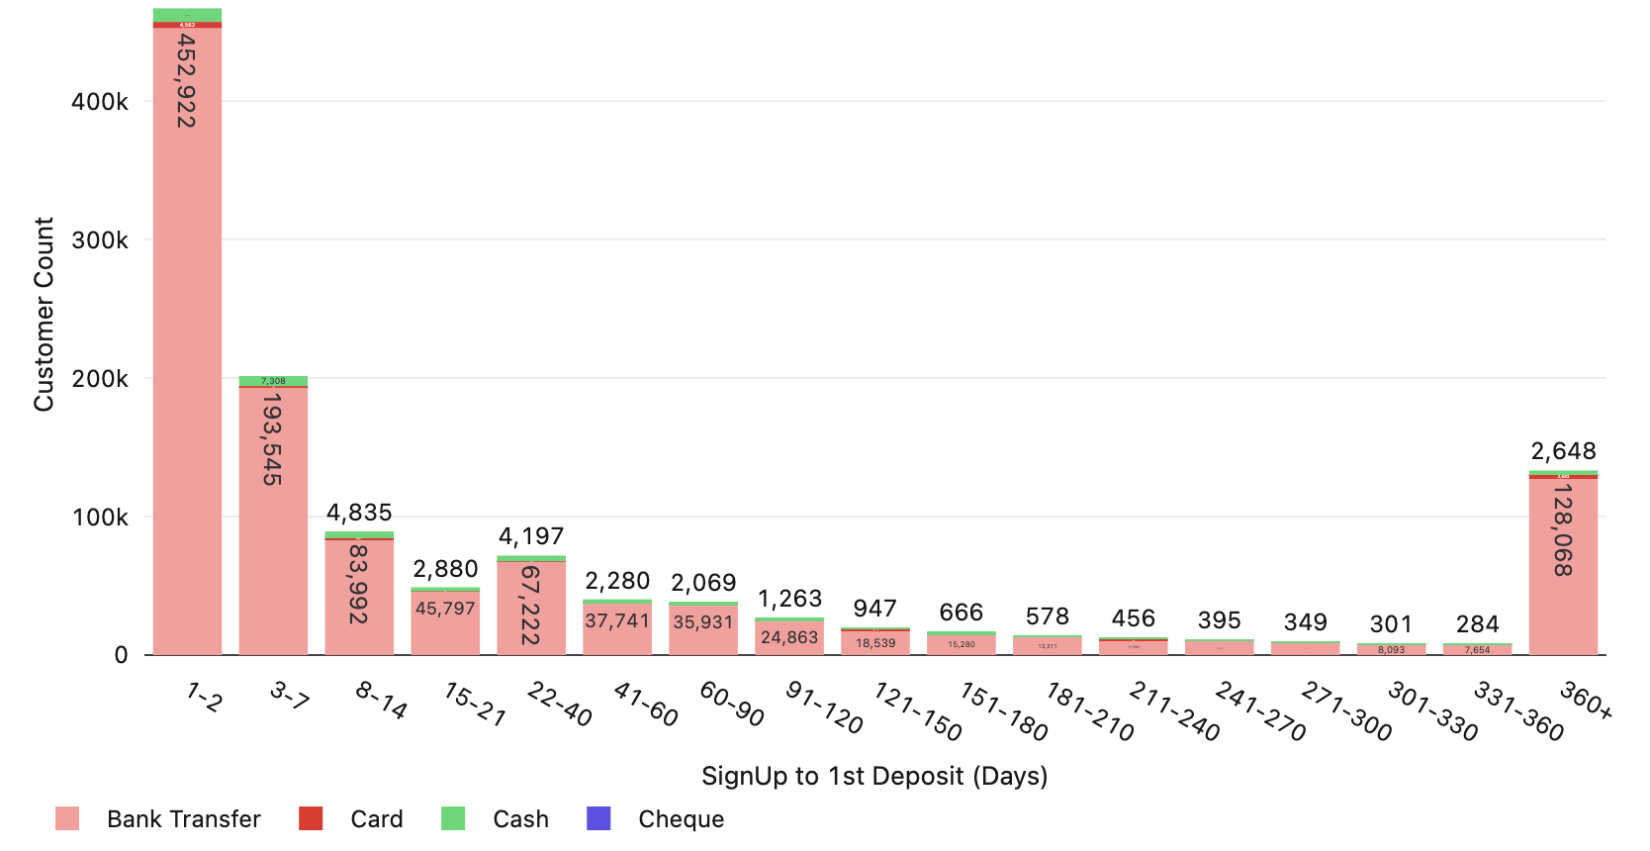
Time (Days) from Signup to 1st Deposit
 |  |  |  |  | SignUp to 1st Deposit by Payment Method
signup_to_1st_deposit | customer_count | % Customers | Running Total | Cumulative %
2023-01-02 | 467216 | 38.44% | 467216 | 38.44%
2023-03-07 | 201552 | 16.58% | 668768 | 55.02%
2023-08-14 | 89273 | 7.34% | 758041 | 62.36%
15-21 | 48958 | 4.03% | 806999 | 66.39%
22-40 | 71880 | 5.91% | 878879 | 72.30%
41-60 | 40288 | 3.31% | 919167 | 75.62%
60-90 | 38262 | 3.15% | 957429 | 78.77%
91-120 | 26328 | 2.17% | 983757 | 80.93%
121-150 | 19656 | 1.62% | 1003413 | 82.55%
151-180 | 16080 | 1.32% | 1019493 | 83.87%
181-210 | 14057 | 1.16% | 1033550 | 85.03%
211-240 | 11894 | 0.98% | 1045444 | 86.01%
241-270 | 10536 | 0.87% | 1055980 | 86.87%
271-300 | 9626 | 0.79% | 1065606 | 87.67%
301-330 | 8531 | 0.70% | 1074137 | 88.37%
331-360 | 8041 | 0.66% | 1082178 | 89.03%
360+ | 133339 | 10.97% | 1215517 | 100.00%
 | 1215517

A significant portion of customers, 38.44%, make their first deposit within 1-2 days of signing up, followed by customers who make their first deposit 3-7 days of signing up. This means that over 55% of customers make their first deposit within 7 days of signing up. As the time from sign-up increases, the percentage of customers making their first deposit gradually decreases. However, there is a notable percentage, 10.97%, of customers who take more than 360 days to make their first deposit. |  |  |  | A substantial portion of customers consistently use Bank Transfer as their preferred payment method, irrespective of the duration between signup and making their first deposit.

Time (Days) from 1st to 2nd Deposit

time_from_1st_to_second_deposit | customer_count
2023-01-02 | 221756 | 27.65%
2023-03-07 | 151070 | 18.84%
2023-08-14 | 92350 | 11.51%
15-21 | 52155 | 6.50%
22-30 | 47867 | 5.97%
31-60 | 66104 | 8.24%
61-90 | 30727 | 3.83%
91-120 | 19625 | 2.45%
121-150 | 13065 | 1.63%
151-180 | 10226 | 1.28%
181-210 | 8469 | 1.06%
211-240 | 6927 | 0.86%
241-270 | 5950 | 0.74%
271-300 | 5008 | 0.62%
301-330 | 4387 | 0.55%
331-360 | 3977 | 0.50%
360+ | 62340 | 7.77%
 | 802003

A significant portion of customers, 27%, make their second deposit within 1-2 days of their first deposit. The next significant segment, 18% of customers, make their second deposit within 3-7 days showing a considerable proportion of customers maintain engagement within the first week. The decreasing percentages over time suggest that the likelihood of a second deposit diminishes the longer a customer goes without making one.

1st Deposit vs. Subsequent Deposits

DepositIndicator | CustomerCount | % Customers | AvgAmount | MedianAmount
1st Deposit | 1215741 | 100% | R3,206.13 | R500 | % Median Change
2nd Deposit | 802003 | 65.97% | R4,940.49 | R750 | 50.00%
3rd Deposit | 576464 | 47.42% | R6,211.88 | R950 | 26.67%
4th Deposit | 441232 | 36.29% | R7,160.04 | R1,000 | 5.26%
5th Deposit | 352583 | 29.00% | R7,987.59 | R1,009 | 0.90%
6th Deposit | 289936 | 23.85% | R8,641.37 | R1,011 | 0.20%
7th Deposit | 244286 | 20.09% | R9,147.22 | R1,016 | 0.49%
8th Deposit | 209072 | 17.20% | R9,715.54 | R1,019 | 0.30%
9th+ Deposit | 181902 | 14.96% | R10,111.28 | R1,040 | 2.06%

There is a drop-off in customers after the first deposit, with the highest number of customers making only one deposit, with about two-thirds (66%) of the customers making a second deposit. Retention continues to decrease with each subsequent deposit. This trend continues to decline, with only about 15% of the initial customer base making a ninth or higher deposit.

The average and median deposit amounts increase slightly from the first to the fourth deposit but appear to plateau or slightly decrease from the fifth deposit onwards. This could indicate that customers who continue to make deposits after their first tend to deposit slightly higher amounts, up to a certain point.

The count of customers who made first deposit dwindles with subsequent deposits. The amount of money deposited (both on average and the median) initially increases with subsequent deposits, which might reflect growing customer trust or engagement. However, this amount does not grow indefinitely and stabilizes after a certain point.

Median and Average First Deposit Amount per Region
Average and Median First Deposit USD Amount per Region

region | AverageFirstDeposit | MedianFirstDeposit | customer_count
Europe | $411.76 | $39.80 | 168097
Africa | $155.66 | $18.64 | 1795550
Other | $148.75 | $19.40 | 2366
North America | $111.13 | $11.83 | 15305
Southeast Asia | $158.89 | $25.89 | 790806

Customers in Europe on average make the highest first deposit amount of $411, which is significantly higher than in other regions. The median first deposit in Europe is $39.80, which is also the highest compared to other regions, which suggests a wide distribution of deposit amounts with some very high first deposits driving up the average. Africa and North America have the lowest average and median first deposit amount.

Engagement and Retention: |  |  |  | Customer Deposit Patterns:
- Customers who make a second deposit do so quickly after the first, indicating early engagement is critical. A minimum deposit could potentially encourage more significant initial investment, but it might also delay the decision of making the first and second deposits for those customers evaluating the service. |  |  |  | - A significant number of customers make very low first deposits, especially in regions like Africa and North America. Setting a minimum deposit higher than the common lower-end amounts could potentially alienate a portion of the customer base that prefers or is only able to make smaller transactions. - There is a noticeable drop-off in customers after the first deposit. A minimum deposit might exacerbate this drop-off if customers are not willing or able to meet the minimum requirement for subsequent deposits.

Time to First Deposit from SignUp: |  |  |  | Regional Differences:
- Large percentage of customers making first deposit within 7 days of signup suggests a segment of the customer base who are most likely to deposit almost immediately. A minimum deposit requirement might push the other portion of customers to make a deposit sooner. |  |  |  | - Large percentage of customers taking almost more than a year to make a first deposit suggests a segment of the user base may need a longer consideration period. A minimum deposit requirement might push these customers to make a decision sooner.

